Centre Shaft
Type | Voltage (V) | Model | RPM | Rated Torque (kg-cm) | Stall Torque (kg-cm) | Price (Rs.) | Comments | Load Current (A) | Weight (gm) | Shaft Thickness (cm) | Shaft Length (cm) | Motor Length (cm) | Motor Diameter (cm) | Gearbox Diameter (cm) | Gear Material | Image | Source
Plastic Cylindrical Gearbox | 12 | SKU-356205 | 1000 | 0.5 | 2 | 183 | 4-12V range | 0.3 | 80 | 0.6 | 2.2 | 7.5 |  | 3.7 | Plastic | 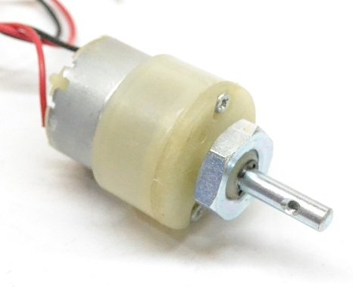 | Online/Retail Shops
 |  | SKU-5703 | 500 | 0.7 | 3 | 157
 |  | SKU-5693 | 300 | 1.2 | 3.5 | 157
 |  | SKU-17840 | 200 | 1.5 | 5.4 | 157
 |  | SKU-5683 | 150 | 2 | 7.8 | 157
 |  | SKU-5673 | 100 | 2.9 | 11.4 | 183
 |  | SKU-5663 | 60 | 3.6 | 15 | 183
 |  | SKU-5653 | 30 | 5 | 18.8 | 183
 |  | SKU-5643 | 10 | 7 | 28 | 183
 |  | SKU-2143 | 3 | 16 | 60 | 183
Metal Cylindrical Gearbox | 12 |  | 620 | 0.2 | 0.8 | 540 |  | 0.9 | 83 | 0.4 | 0.94 | 4.8 | 2.5 | 2.5 | Metal |  | Online/Retail
 |  |  | 280 | 0.35 | 1.4 |  |  | 0.3-0.4 | 89 |  |  | 5
 |  |  | 130 | 0.5 | 2 |  |  | 0.3 | 89 |  |  | 5.2
 |  |  | 60 | 1 | 4 |  |  | 0.24 | 89 |  |  | 5.4
 |  |  | 16 | 11 | 44 |  |  | 0.08-0.1 | 93 |  |  | 5.8

